Passenger Data
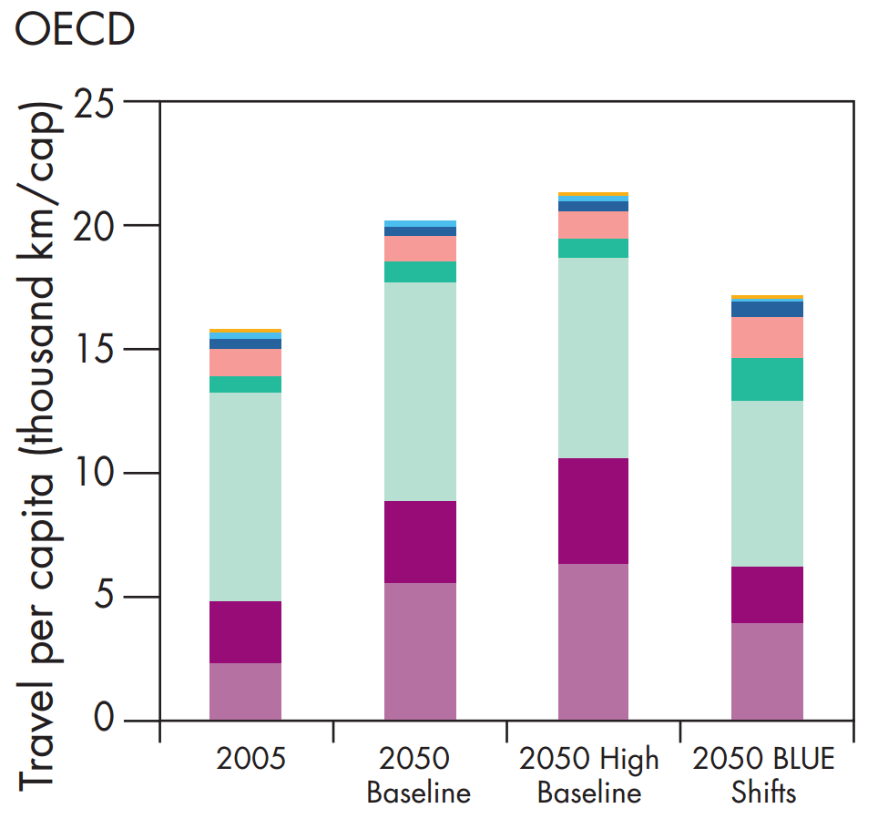
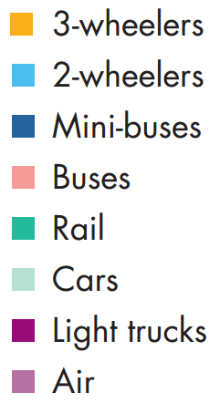
Below is a screenshot of part of Figure 5.12 (OECD nations).

 | Size in Pixels (at 100% zoom in Excel)
Scenario | 3-wheelers | 2-wheelers | Mini-buses | Buses | Rail | Cars | Light Trucks | Air | Total
2050 Baseline | 0 | 6 | 9 | 25 | 21 | 215 | 81 | 134 | 491
2050 BLUE Shifts | 4 | 3 | 15 | 40 | 43 | 163 | 56 | 94 | 418

Freight Data
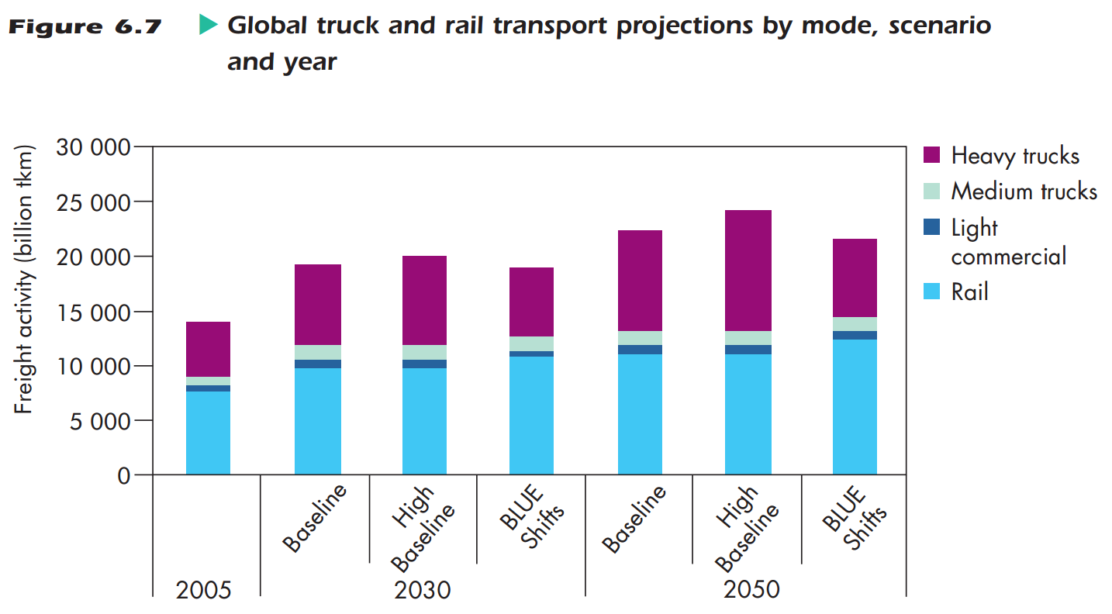
Below is a screenshot of part of Figure 6.7.

 | Size in Pixels (at 100% zoom in Excel)
Scenario | Heavy Trucks | Medium Trucks | Light Commercial | Rail
2050 Baseline | 112 | 16 | 9 | 134
2050 BLUE Shifts | 87 | 17 | 9 | 151
 | 25 | -1 |  | -17

